Sheet1
GenderCode | (Multiple Items)
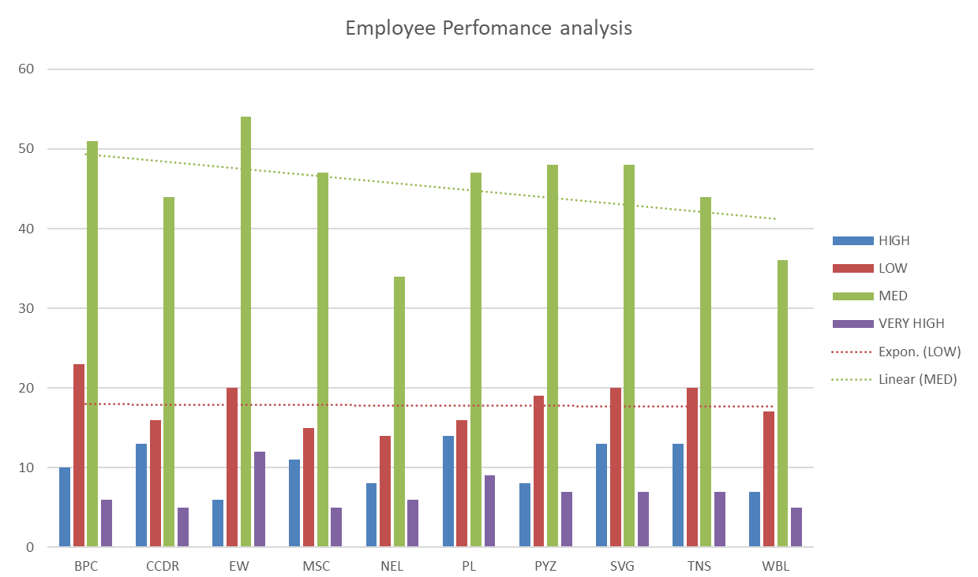
Count of FirstName | performance level
BusinessUnit | HIGH | LOW | MED | VERY HIGH | Grand Total
BPC | 11 | 22 | 49 | 9 | 91
CCDR | 11 | 24 | 54 | 5 | 94
EW | 14 | 17 | 46 | 7 | 84
MSC | 10 | 20 | 59 | 6 | 95
NEL | 6 | 16 | 52 | 6 | 80
PL | 7 | 21 | 49 | 7 | 84
PYZ | 12 | 26 | 51 | 9 | 98
SVG | 10 | 27 | 38 | 8 | 83
TNS | 13 | 17 | 48 | 8 | 86
WBL | 11 | 14 | 51 | 9 | 85
Grand Total | 105 | 204 | 497 | 74 | 880

